22123
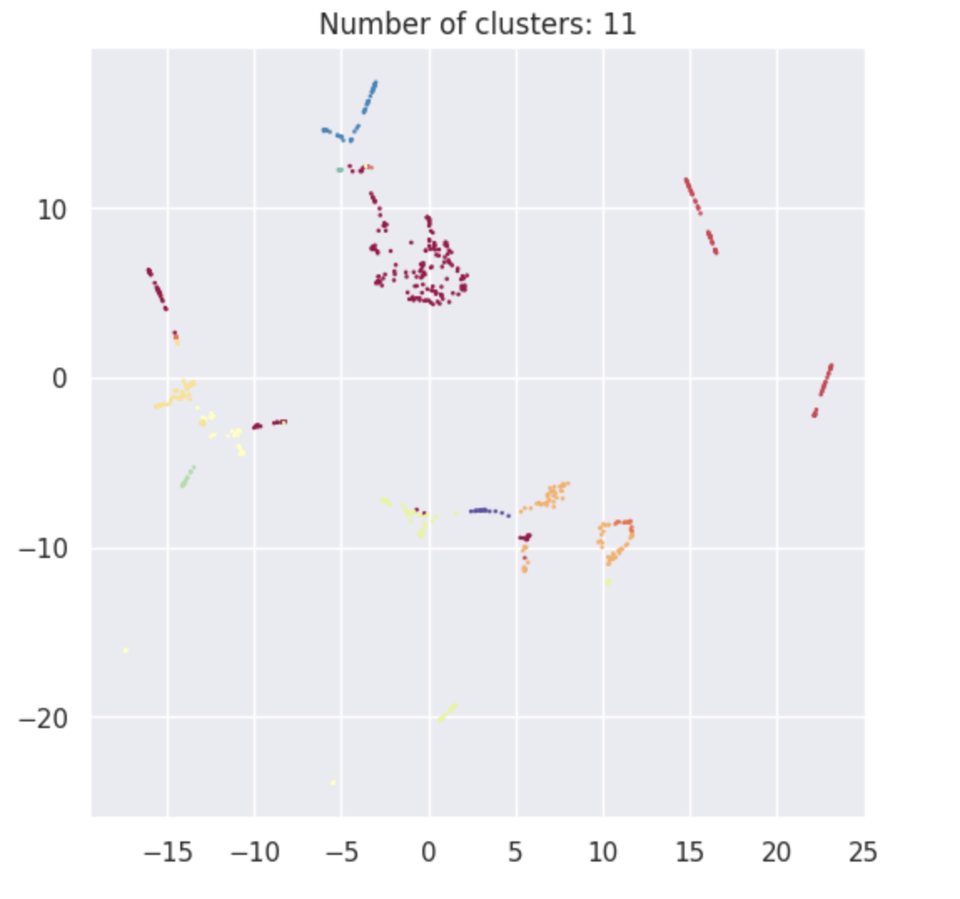
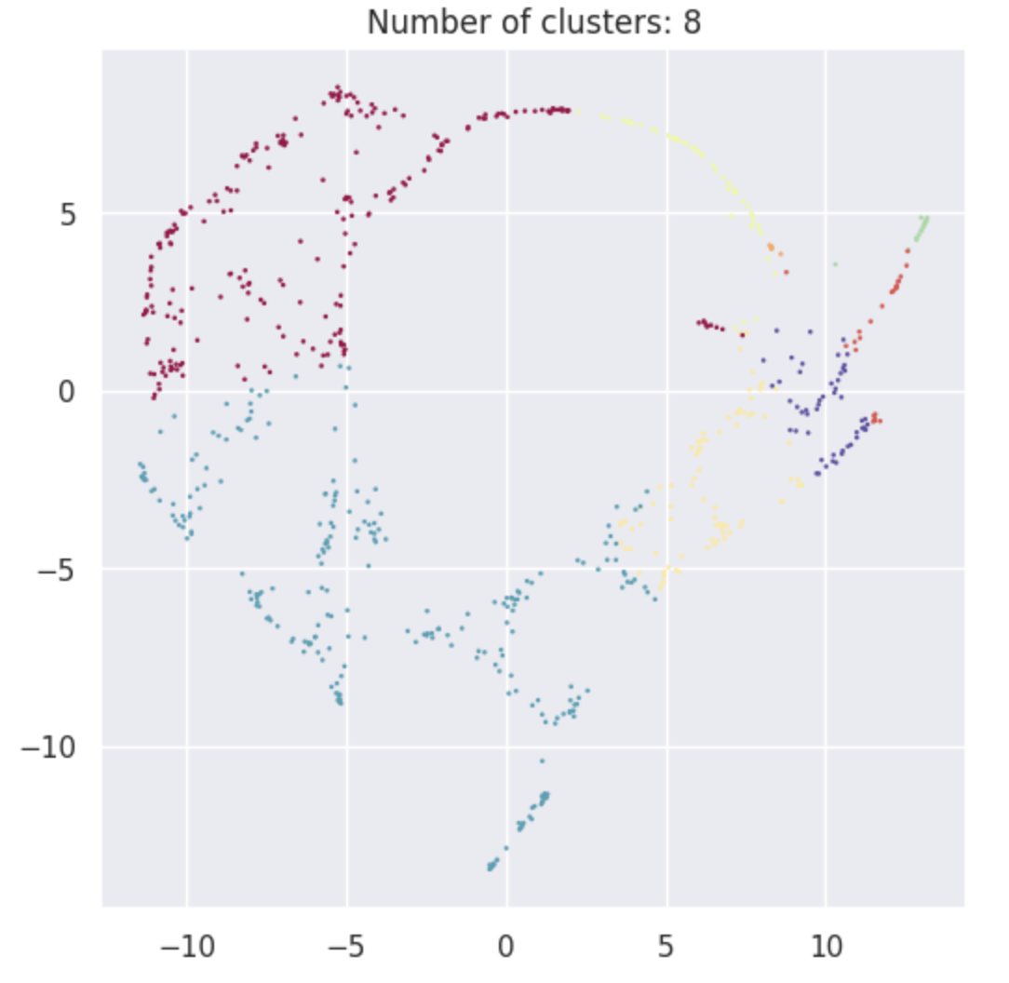
Cluster type | Finalized Num_Clusters | Inertia | Sillhouete Score | Value counts | paCMAP Distribution
On the basis of numerical variables (input) | 11 | 2044 | 0.34 | [232, 89, 89, 86, 63, 54, 49, 22, 18, 17, 9] | Image 1
On the basis of numerical variables (output) | 8 | 325 | 0.4 | [258, 236, 82, 52, 52, 25, 18, 5] | Image 2
On the basis of numerical variables (all) | 11 | 3338 | 0.28 | [209, 95, 88, 87, 55, 53, 49, 32, 31, 20, 9] | Image 3
On the basis of rank variables (input) | 5 | 983 | 0.34 | [199, 192, 146, 107, 84] | Image 4
On the basis of rank variables (output) | 7 | 483 | 0.35 | [148, 124, 113, 113, 87, 75, 68] | Image 5
On the basis of rank variables (all) | 7 | 1756 | 0.31 | [149, 127, 125, 112, 90, 78, 47] | Image 6

Clustering based on combination | waterPermeabilityCoefficient |  | realRejection |  | observedSoluteRejection |  | solutePermeabilityCoefficient |  | pressureDiff |  | concentrationPolarization |  | saltConcentration |  | Water/Salt-Selectivity |  | Choice
 | Variable | Rank | Variable | Rank | Variable | Rank | Variable | Rank | Variable | Rank | Variable | Rank | Variable | Rank | Variable | Rank

Input (Numerical) Visulaisations | 10 | 10 | 2,8,9 | 2,8,9 | 8,2,9 | 2,8,9 | 2,8,9,4 | 2,8,9,4 | 1 | 1 | 8 | 8 | 0,2,3,5,6,8,10 | 0,2,3,5,6,8,10 | 2 | 2 | 2,8
Input (Numerical) Statistics | 10 | 10 | 2,8,9 | 2,8,9 | 8,2,9 | 2,8,9 | 2,8 | 2 | 1 | 1 | 8 | 8 | 0,2,3,5,6,8,10 | 0,2,3,5,6,8,10 | 2 | 2 | 2,8

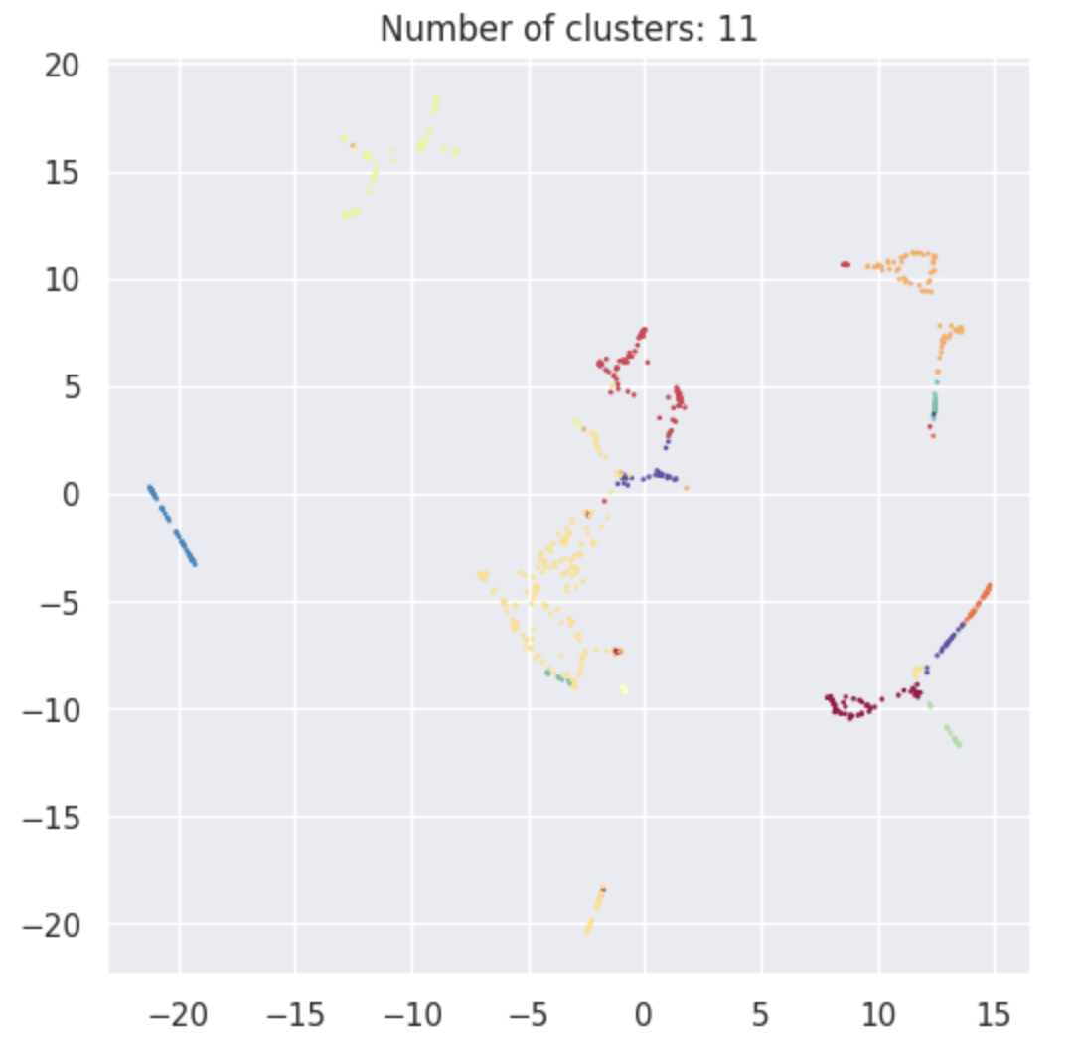
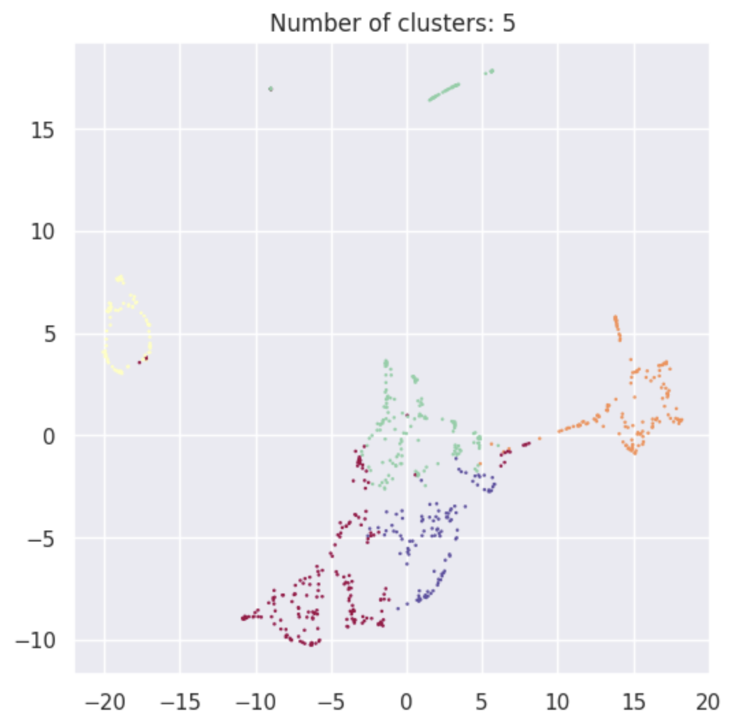
Output (Numerical) Visulaisations | 2 | 2 | 0,4,6 | 0,4,6 | 0,6,4 | 0,6,4 | 6,0,4,3 | 6,0 | 6,5 | 6,5 | 2,4 | 2,4 | 2,1,5,4 | 2,1,5 | 0,4,6,2 | 0,4,6,2 | 0,6,4,2 | Image 1 | Image 2
Output (Numerical) Statistics | 2 | 2 | 0,6,4 | 0,6,4 | 0,6,4 | 0,6,4 | 6,0 | 6,0 | 6,2 | 6,2 | 2,4 | 2,4 | 2,5,1,4 | 2,5,1,4 | 0,4,6 | 0,4,6 | 0,6,4,2

All (Numerical) Visulaisations | 8 | 8 | 5,9,3 | 5,9,3 | 5,9,3 | 5,9,3 | 5,3,9 | 5,3,9 | 6 | 6 | 8 | 8 | 10,3,5,2 | 10,8,4,1 | 3,5,9 | 3,5,9 | 5,3,9
All (Numerical) Statistics | 8 | 8 | 5,9,3 | 5,9,3 | 5,9,3 | 5,9,3 | 5,9,3 | 5,3,9 | 6 | 6 | 8 | 8 | 10,4,5 | 10,4,0,8 | 3,5,9 | 3,5,9 | 5,3,9

Input (Rank) Visulaisations | 4 | 4 | 0,1,4 | 0,1,4 | 0,1,4 | 0,1,4 | 0,1,2,4 | 0,1,2,4 | 1 | 1 | 2,3 | 2,3 | 2 | 2 | 0 | 0 | 0,2,4
Input (Rank) Statistics | 4 | 4 | 0,1,4 | 0,1,4 | 0,1,4 | 0,1,4 | 0,1,2,4 | 0,1,2,4 | 1 | 1 | 2,3 | 2,3 | 2 | 2 | 0 | 0 | 0,2,4

Output (Rank) Visulaisations | 0,4 | 0,4 | 6,2 | 6,2 | 6,2 | 6,2 | 6,2,1 | 6,2,1 | 6,2 | 6,2 | 0,2 | 0,2 | 1,3,0,4 | 1,3,0,4 | 6,2 | 6,2 | 6,2,0
Output (Rank) Statistics | 0,4 | 0,4 | 6,2 | 6,2 | 6,2 | 6,2 | 6,2,1 | 6,2,1 | 6,2 | 6,2 | 0 | 0 | 1,0,3,4 | 1,0,3,4 | 6,2 | 6,2 | 6,2,0

All (Rank) Visulaisations | 4 | 4 | 1,2 | 1,2 | 1,2 | 1,2 | 1,2 | 1,2 | 6 | 6 | 3,5 | 3,5 | 4,1,0,5 | 4,1,0,5 | 1,2 | 1,2 | 1,2
All (Rank) Statistics | 4 | 4 | 1,2 | 1,2 | 1,2 | 1,2 | 1,2 | 1,2 | 6 | 6 | 3,5 | 3,5 | 4,0,1,5 | 4,0,1,5 | 1,2 | 1,2 | 1,2

 |  |  |  |  |  |  |  |  |  |  |  |  |  |  |  |  |  | Image 3 | Image 4

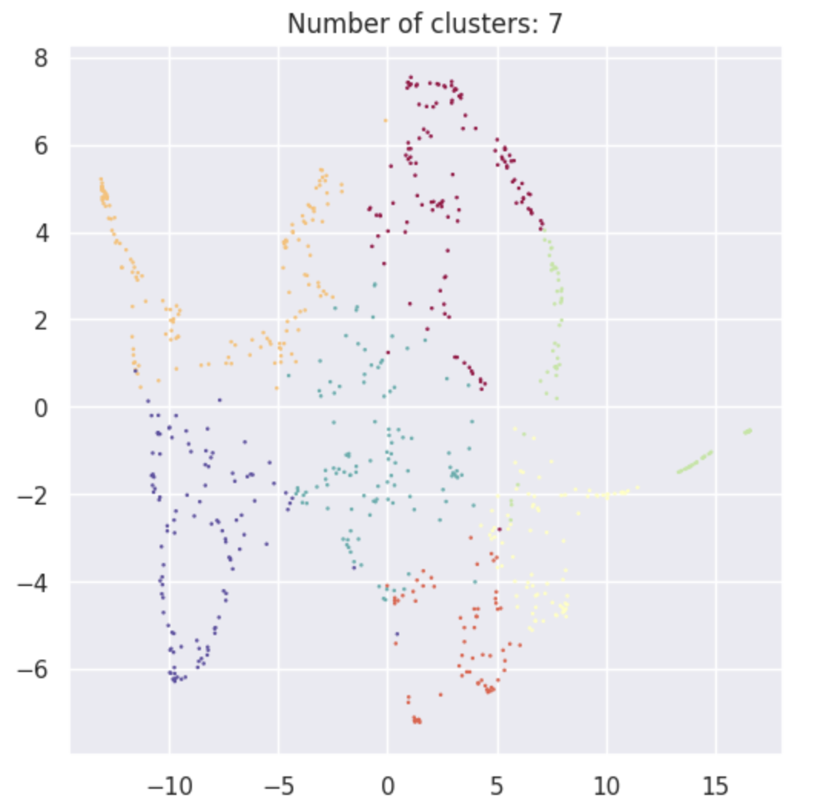
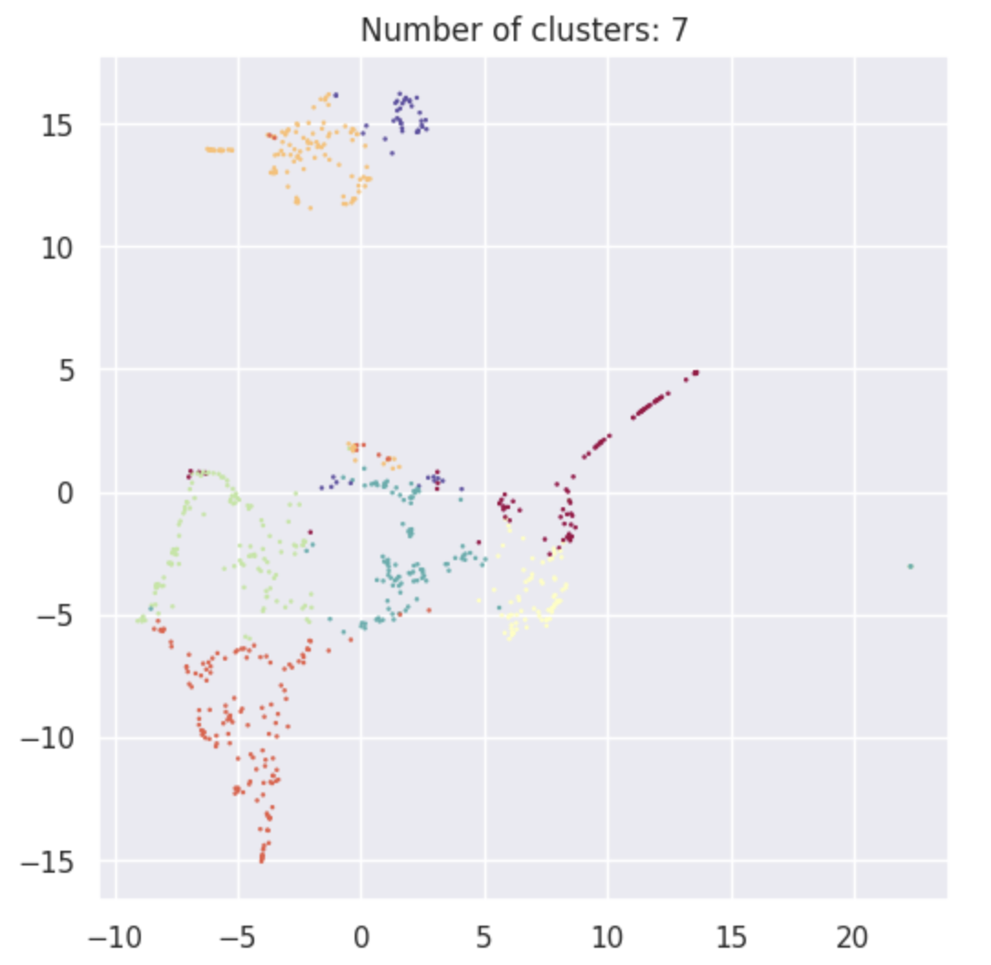

 |  |  |  |  |  |  |  |  |  |  |  |  |  |  |  |  |  | Image 5 | Image 6

